Sheet1
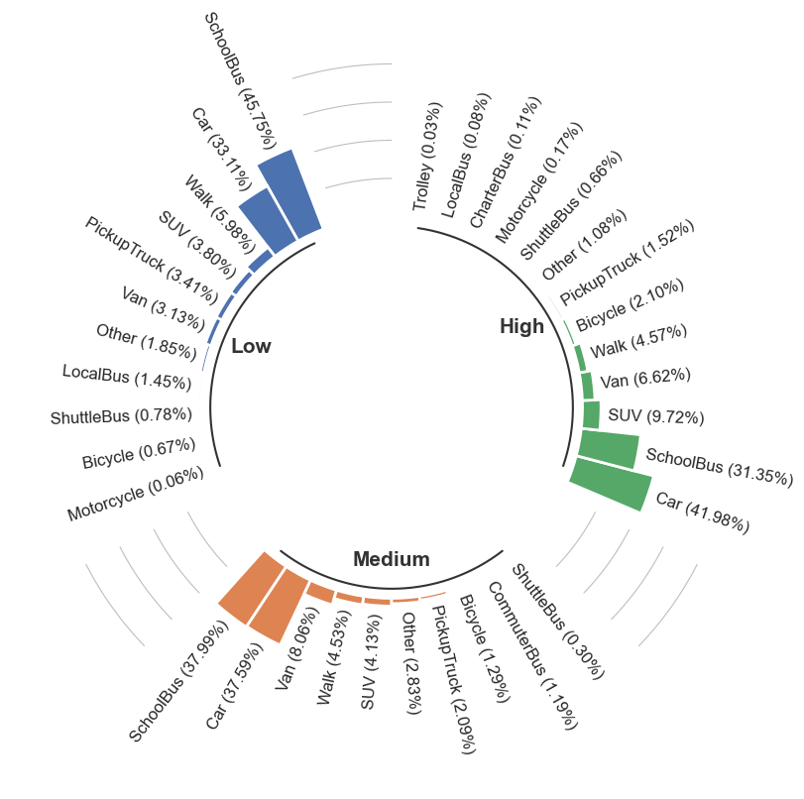
Percentage of Car and SchoolBus for School Trips
 | SchoolBus | Car
Low Income | 45.75 | 33.11
Medium Income | 37.99 | 37.59
High Income | 31.35 | 41.98
 | Percentage
Houshold Income Group | SchoolBus | Car
Low Income | 45.75 | 33.11
Medium Income | 37.99 | 37.59
High Income | 31.35 | 41.98

